Problem2
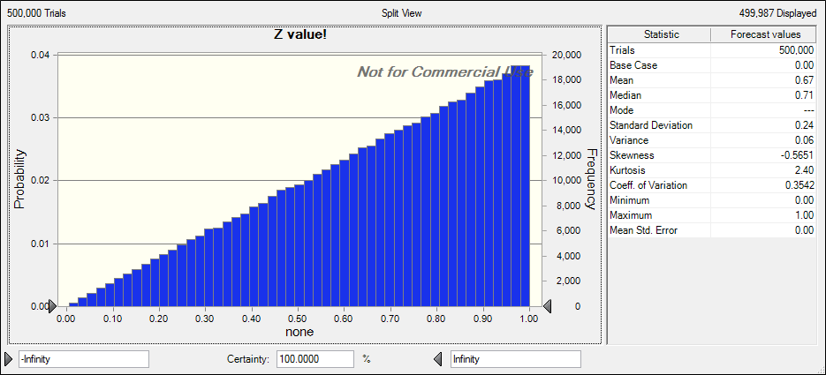
 |  |  | Problem 2
X | Y | Z
0 | 0 | 0

